E Content and Research Seminar
 |  |  | Test Case Template for Project
 |  |  | Project Name | LMS
 |  |  | Module Name | Research (E content Development)
 |  |  | Created By | Pooja
 |  |  | Created Date | 2024-05-07
 |  |  | Peer Review By
 |  |  | Peer Reviewed Date
Scenario TID | Scenario Desciption | Test Case ID | Pre Condition | Steps to Execute | Expected Result | Actual Result | Status | Executed QA Name | Comments | Screenshots

1 | To verify functioanlity of "Link to the relevant document and facility available in the institution" and "Provide link to videos of the media centre and recording facility" | TC_01 | 1)Application is installed, configured, and accessible to the user. 2)User credentials for logging into the Research are valid and authenticated. 3) Link : https://dev-portal.svkm.ac.in/researches/user | 1.Open the URL : "https://dev-portal.svkm.ac.in/researches/user" 2.Enter username: 32101198. 3) Enter password: pass@123. 4)Click on "Sign In" Button. 5) Click on "Research " Option. 6)Click on"E-Content Development" 7) Go above"Enter Keywords" 8) Click on "+" sign 9) Go to "Link to the relevant document and facility available in the institution" and "Provide link to videos of the media centre and recording facility"enter any characters. | It should allow to enter link only in "Link to the relevant document and facility available in the institution" and "Provide link to videos of the media centre and recording facility" | It is accepting special characters and letters as wellas it is displayed. | Fail | Pooja |  | 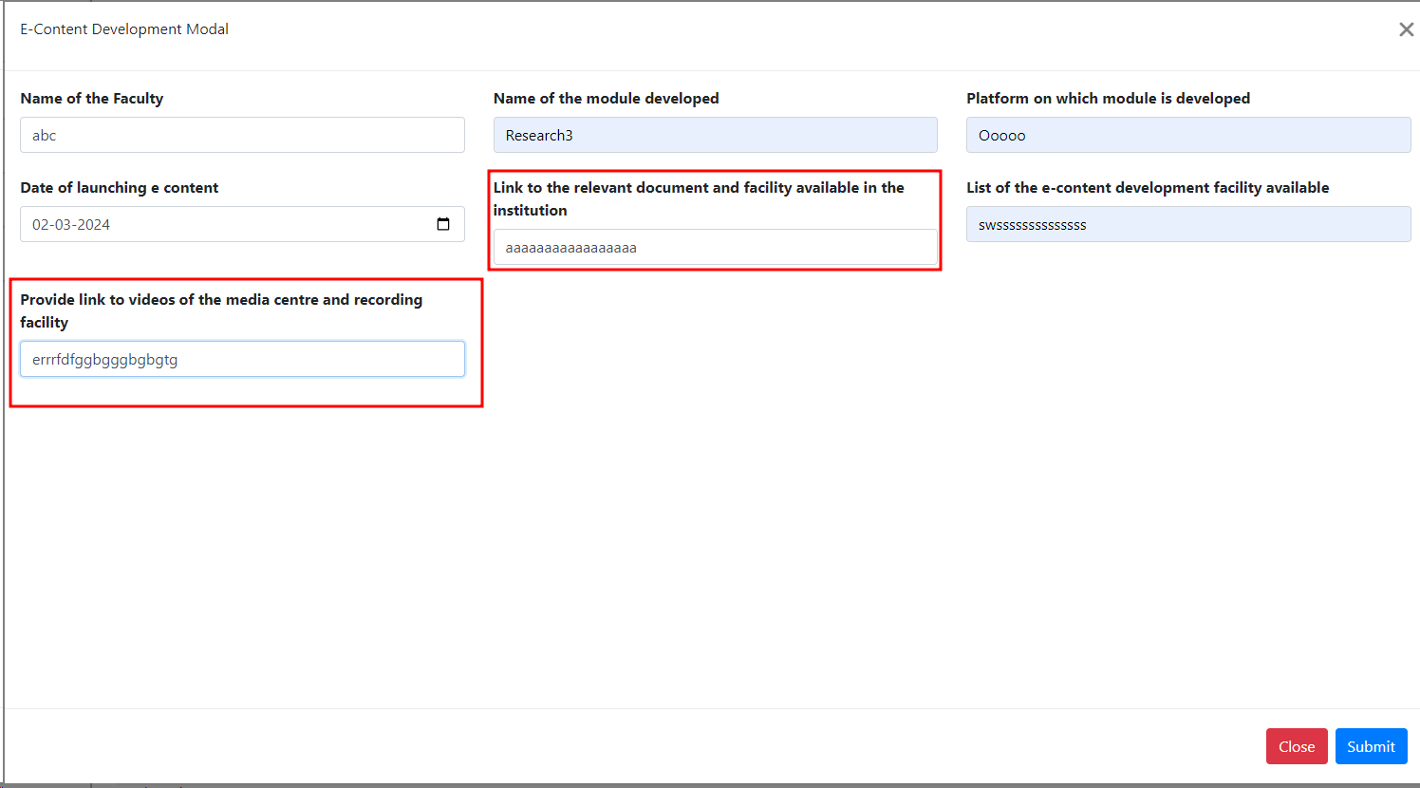 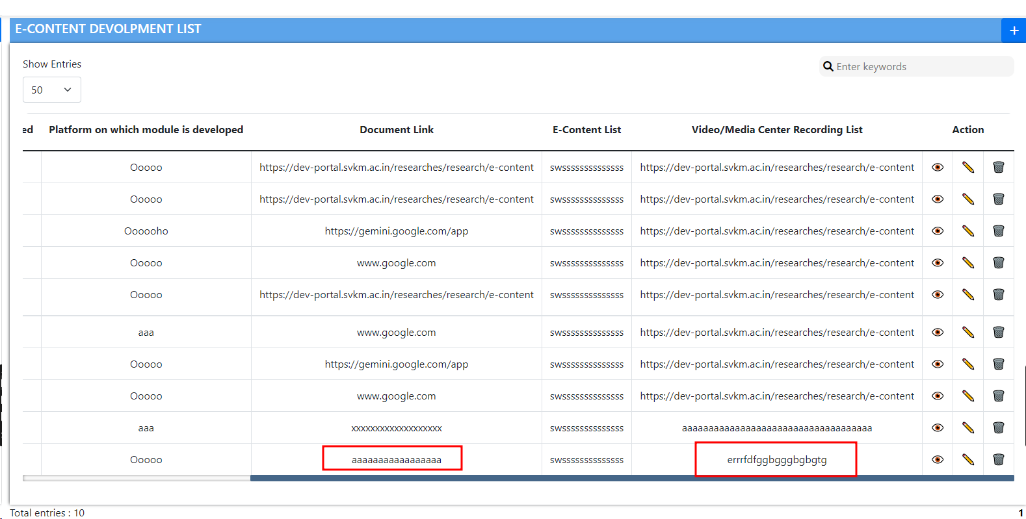
2 | To Verify "E-Content Development Model" isdisplayed in center or not | TC_02 | 1)Application is installed, configured, and accessible to the user. 2)User credentials for logging into the Research are valid and authenticated. 3) Link : https://dev-portal.svkm.ac.in/researches/user | "1.Open the URL : ""https://dev-portal.svkm.ac.in/researches/user"" 2.Enter username: 32101198. 3) Enter password: pass@123. 4)Click on ""Sign In"" Button. 5) Click on ""Research "" Option. 6)Click on""E-Content Development"" 7) Go above""Enter Keywords"" 8) Click on ""+"" sign 9) Go above ""Name of the Faculty"" " | "E-Content Development Model"should be in center | "E-Content Development Model"is not at in center properly. | Fail |  |  | 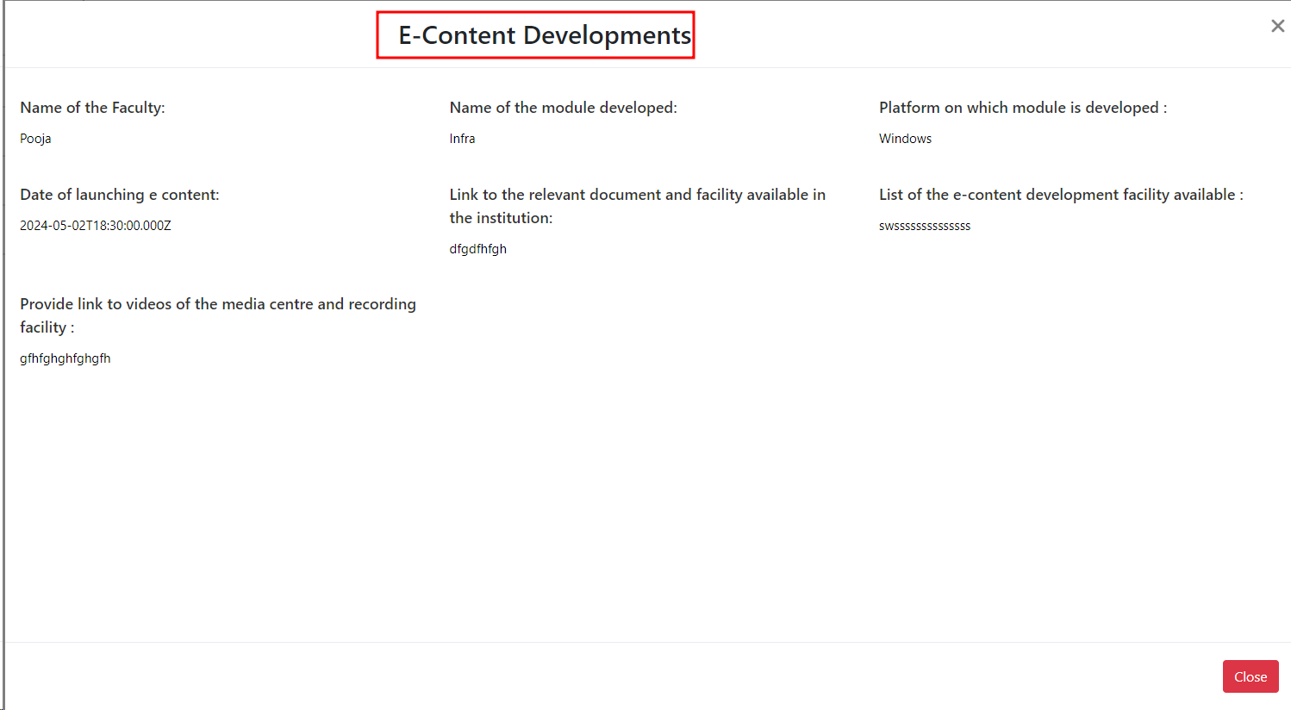
3 | To verify "Date of launching e content" is properly displayed or not | TC_03 | 1)Application is installed, configured, and accessible to the user. 2)User credentials for logging into the Research are valid and authenticated. 3) Link : https://dev-portal.svkm.ac.in/researches/user | "1.Open the URL : ""https://dev-portal.svkm.ac.in/researches/user"" 2.Enter username: 32101198. 3) Enter password: pass@123. 4)Click on ""Sign In"" Button. 5) Click on ""Research "" Option. 6)Click on""E-Content Development"" 7) Go above""Enter Keywords"" 8) Click on ""+"" sign 9) Go below ""Name of the Faculty"" " | There should be "-" in e content. | In "Date of launching e content" here is not -. It should be "e-content". | Fail |  |  | 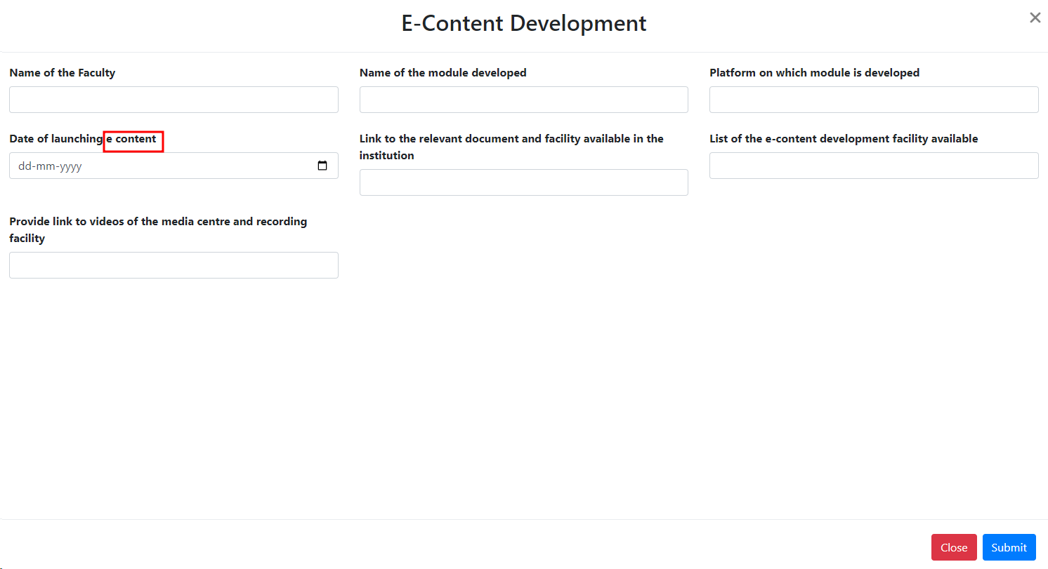
4 | To verify Error message "Date is required" is properly displayed or not | TC_04 | 1)Application is installed, configured, and accessible to the user. 2)User credentials for logging into the Research are valid and authenticated. 3) Link : https://dev-portal.svkm.ac.in/researches/user | "1.Open the URL : ""https://dev-portal.svkm.ac.in/researches/user"" 2.Enter username: 32101198. 3) Enter password: pass@123. 4)Click on ""Sign In"" Button. 5) Click on ""Research "" Option. 6)Click on""E-Content Development"" 7) Go above""Enter Keywords"" 8) Click on ""+"" sign 9) Click on submit button without clicking any information. | The error message "Date is required" should displayed properly. | Remove " ." which is after "Date is required". (Do same in Edit option) | Fail
5 | To verify "OK" button is working properly or not. | TC_05 | 1)Application is installed, configured, and accessible to the user. 2)User credentials for logging into the Research are valid and authenticated. 3) Link : https://dev-portal.svkm.ac.in/researches/user | "1.Open the URL : ""https://dev-portal.svkm.ac.in/researches/user"" 2.Enter username: 32101198. 3) Enter password: pass@123. 4)Click on ""Sign In"" Button. 5) Click on ""Research "" Option. 6)Click on""E-Content Development"" 7) Go above""Enter Keywords"" 8) Click on ""+"" sign 9) Click on submit button without clicking any information. 10) Click outside of box. | To exit the page, you need to click on the 'OK' button. If you are not clicking on "Ok" button, it should not able to close the Validation message. | It is closing the the error message without clicking on "Ok" button. | Fail |  |  | https://screenrec.com/share/78amz3huZ6 https://screenrec.com/share/RqDlSQBs79
6 | To Verify Spelling of "E-Content Devolpment" | TC_06 | 1)Application is installed, configured, and accessible to the user. 2)User credentials for logging into the Research are valid and authenticated. 3) Link : https://dev-portal.svkm.ac.in/researches/user | "1.Open the URL : ""https://dev-portal.svkm.ac.in/researches/user"" 2.Enter username: 32101198. 3) Enter password: pass@123. 4)Click on ""Sign In"" Button. 5) Click on ""Research "" Option. 6)Click on""E-Content Development"" | "E-Content Devolpment" should displayed properly. | In "E-Content Devolpment", the spelling of Devolpment is wrong. It should be "Development" | Fail |  |  | 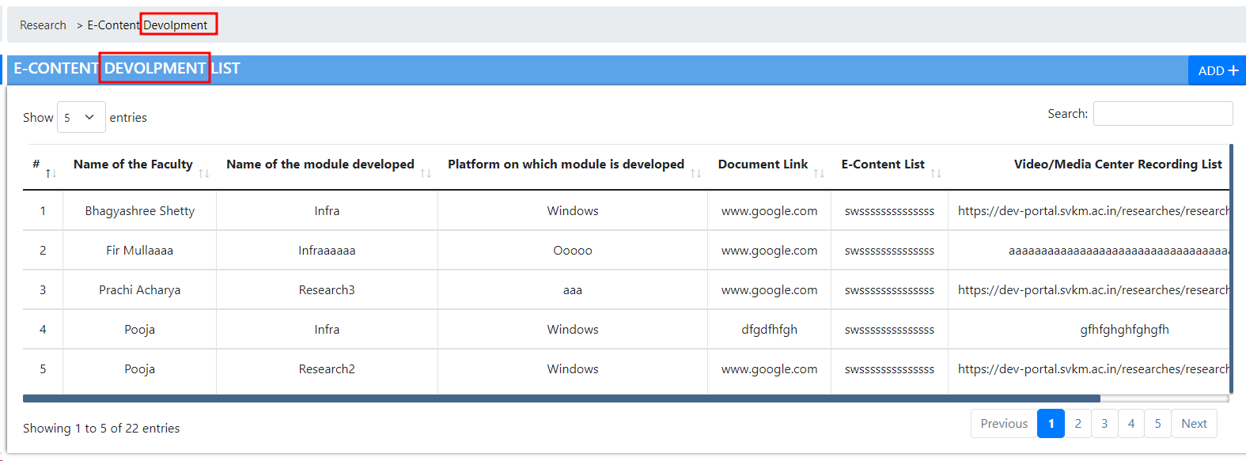
7 | To Verify "Serial number" Column functionality | TC_07 | 1)Application is installed, configured, and accessible to the user. 2)User credentials for logging into the Research are valid and authenticated. 3) Link : https://dev-portal.svkm.ac.in/researches/user | "1.Open the URL : ""https://dev-portal.svkm.ac.in/researches/user"" 2.Enter username: 32101198. 3) Enter password: pass@123. 4)Click on ""Sign In"" Button. 5) Click on ""Research "" Option. 6)Click on""E-Content Development"" | Serial number should be displayed properly. | There is #.Remove # and add "Serial no" for peroper understanding. | Fail |  |  | 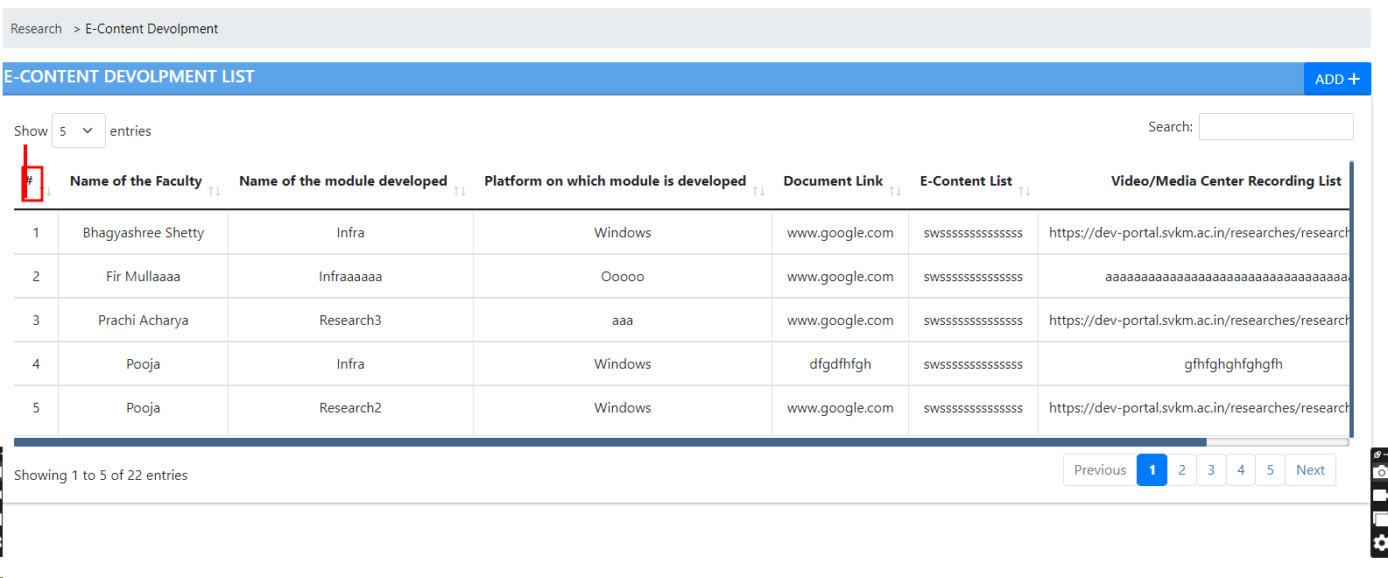
8 | To Verify Spelling of "E-Content Developments" is properly or not. | TC_08 | 1)Application is installed, configured, and accessible to the user. 2)User credentials for logging into the Research are valid and authenticated. 3) Link : https://dev-portal.svkm.ac.in/researches/user | "1.Open the URL : ""https://dev-portal.svkm.ac.in/researches/user"" 2.Enter username: 32101198. 3) Enter password: pass@123. 4)Click on ""Sign In"" Button. 5) Click on ""Research "" Option. 6)Click on""E-Content Development"" 7) Go in action column and clik on "eye" column | It should be "E-Content Development" only. "E-Content Development" should be in Center. | In "E-Content Development "there is extra "s" present after "Development" word. Remove "s" word. And "E-Content Development" it is not in Center. | Fail
9 | To verify "Date of launching e content" in view section is properly displayed or not | TC_09 | 1)Application is installed, configured, and accessible to the user. 2)User credentials for logging into the Research are valid and authenticated. 3) Link : https://dev-portal.svkm.ac.in/researches/user | "1.Open the URL : ""https://dev-portal.svkm.ac.in/researches/user"" 2.Enter username: 32101198. 3) Enter password: pass@123. 4)Click on ""Sign In"" Button. 5) Click on ""Research "" Option. 6)Click on "Eye" icon | There should be "-" in e content. | In "Date of launching e content" here is not "-" . It should be "e-content". (Same do for Edit,Add and for View option.) | Fail |  |  | 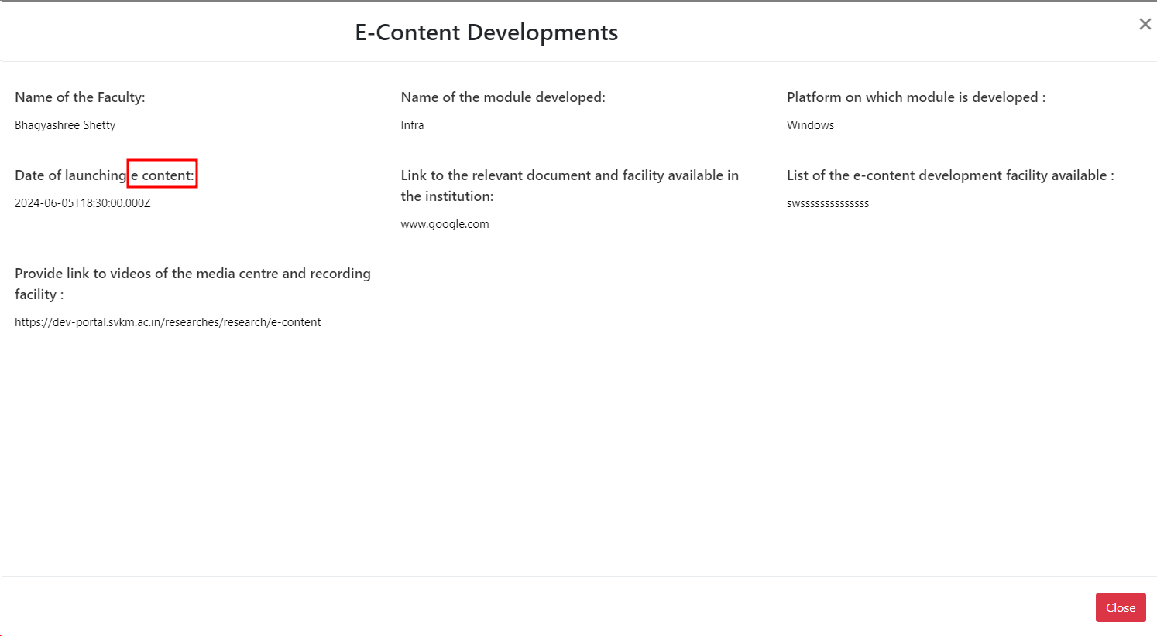
10 | To verify "Date of launching e content", "Name of the Faculty", "Name of the module developed" and "Link to the relevant document and facility available in the institution" in view section is properly displayed or not | TC_10 | 1)Application is installed, configured, and accessible to the user. 2)User credentials for logging into the Research are valid and authenticated. 3) Link : https://dev-portal.svkm.ac.in/researches/user | "1.Open the URL : ""https://dev-portal.svkm.ac.in/researches/user"" 2.Enter username: 32101198. 3) Enter password: pass@123. 4)Click on ""Sign In"" Button. 5) Click on ""Research "" Option. 6)Click on "Eye" icon | It should be dispolayed properly. | In "Date of launching e content", "Name of the Faculty", "Name of the module developed" and "Link to the relevant document and facility available in the institution" there should be space in between name and ": " Add space after name. | Fail
11 | To verify "Update " button is properly displayed or not | TC_11 | 1)Application is installed, configured, and accessible to the user. 2)User credentials for logging into the Research are valid and authenticated. 3) Link : https://dev-portal.svkm.ac.in/researches/user | "1.Open the URL : ""https://dev-portal.svkm.ac.in/researches/user"" 2.Enter username: 32101198. 3) Enter password: pass@123. 4)Click on ""Sign In"" Button. 5) Click on ""Research "" Option. 6)Click on "Pencil" icon | It should be dispolayed properly like "Update" not "update" | In update "u" should be Capital. | Fail
12 | To verify "Upper Arrow" and "Lower Arrow" is clickable and working properly are not. | TC_12 | 1)Application is installed, configured, and accessible to the user. 2)User credentials for logging into the Research are valid and authenticated. 3) Link : https://dev-portal.svkm.ac.in/researches/user | "1.Open the URL : ""https://dev-portal.svkm.ac.in/researches/user"" 2.Enter username: 32101198. 3) Enter password: pass@123. 4)Click on ""Sign In"" Button. 5) Click on ""Research "" Option. 6)Click on "Upper Arrow" and "Lower Arrow" icon in Action Field | It should not be presented in the Action Column because it does not have any use. | Remove "Upper Arrow" and "Lower Arrow" from Action Field. | Fail |  |  | https://screenrec.com/share/9uUJxvjofN

